Problem
Can we predict mouse age if we know it's height and weight?

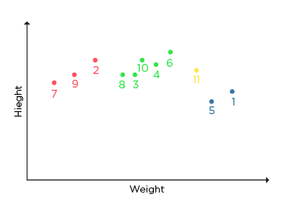
ID | Height | Age* | Weight
1 | 5.00 | 45 | 77
2 | 5.11 | 26 | 47
3 | 5.60 | 30 | 55
4 | 5.90 | 34 | 59
5 | 4.80 | 40 | 72
6 | 5.80 | 36 | 60
7 | 5.30 | 19 | 40
8 | 5.80 | 28 | 60
9 | 5.50 | 23 | 45
10 | 5.60 | 32 | 58
11 | 5.50 | ? | 65.2

* Graph coloured by age intervals
red < 27
28 <= green < 40
blue >= 40

